Sheet5
Row Labels | Sum of Revenue
Haircare | 4868.28
Makeup | 3808.57
Skincare | 4574.78
Grand Total | 13251.63

Sheet6
Row Labels | Sum of Revenue
Dot & Key | 2196.07
Lakme | 1651.42
Mamaearth | 1549.87
Maybelline | 2742.99
Minimalist | 1645.4
Nykaa | 2260.67
Plum | 1205.21
Grand Total | 13251.63

Sheet7
Row Labels | Count of Customer_ID
Combination | 34
Dry | 36
Normal | 42
Oily | 45
Sensitive | 43
Grand Total | 200

Sheet8
Row Labels | Sum of Revenue
Bengaluru | 1839.91
Chennai | 1634.44
Coimbatore | 1039.5
Delhi | 1847.77
Hyderabad | 2948.22
Kochi | 2449.23
Mumbai | 1492.56
Grand Total | 13251.63

Sheet12
Row Labels | Sum of Revenue
Female | 7988.6
Male | 5263.03
Grand Total | 13251.63

Dashboard
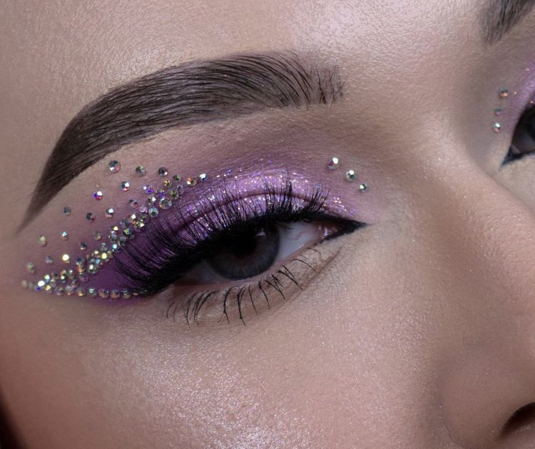

COSMETICS SALES DASHBOARD


TOTAL QUANTITY SOLD
2,452
AVERAGE RATING
4.31
TOTAL CUSTOMERS
200
TOTAL REVENUE
$57,480




Revenue by Product Category
 | Total
Haircare | 4868.28
Makeup | 3808.57
Skincare | 4574.78
Top 5 Brands
 | Total
Dot & Key | 2196.07
Lakme | 1651.42
Mamaearth | 1549.87
Maybelline | 2742.99
Minimalist | 1645.4
Nykaa | 2260.67
Plum | 1205.21



Customers by Skin Type
 | Total
Combination | 34
Dry | 36
Normal | 42
Oily | 45
Sensitive | 43
Revenue by Gender
 | Total
Female | 7988.6
Male | 5263.03
Revenue by City
 | Total
Bengaluru | 1839.91
Chennai | 1634.44
Coimbatore | 1039.5
Delhi | 1847.77
Hyderabad | 2948.22
Kochi | 2449.23
Mumbai | 1492.56

